Central
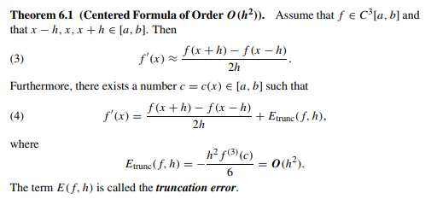

f(x) = sin x
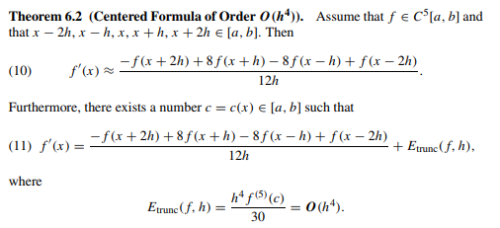
f'(x)=cos x

a | 0.5

f'(a) | 0.87758256189

h | f(a+h)-f(a-h)/2h | E(f;a,h) | -f(a+2h)+8f(a+h)-8f(a-h)+f(a-2h)/12h | E(f;a,h)
0.1 | 0.8761206554 | 0.001461906458448569700 | 0.8775796401 | 0.000002921794766796992
0.01 | 0.8775679356 | 0.000014626302900055954 | 0.8775825616 | 0.000000000292525448309
0.001 | 0.8775824156 | 0.000000146263740674613 | 0.87758256189 | 0.000000000000017319479
0.0001 | 0.8775825604 | 0.000000001462736154423 | 0.87758256189 | 0.000000000000109912079
0.00001 | 0.8775825619 | 0.000000000017503443139 | 0.87758256188 | 0.000000000005938582959
1E-15 | 0.8881784197 | -0.010595857809752363000 | 0.8881784197 | -0.010595857809752363000
1E-16 | 1.1102230246 | -0.232640462734783780000 | 1.2952601954 | -0.417677633505643130000
1E-17 | 0.0000000000 | 0.877582561890372800000 | 0 | 0.877582561890372800000

